Camunda Admin Plan
Camunda Admin Training Up Plan
Sl No | Content | Planned Effort | StartDate | EndDate
Day 1 | Introduction | 1 hr | 2025-01-09 | 2025-01-09 | Closed | Comments
 | Self-Introduction |  |  |  | Completed
 | About Surge |  |  |  | Completed
 | About Camunda Admin Role |  |  |  | Completed
 | Intro with team members |  |  |  | Completed
 | About Camunda Academy |  |  |  | Completed
 | Camunda Admin Training |  | 2025-01-13 | 2025-01-13 | Closed
 | BPMN | 4 hrs |  |  |  | Use Camunda Academy Partner Portal - 4 hrs
 | Overview |  |  |  | Completed
 | Tasktypes |  |  |  | Completed
 | Gateways |  |  |  | Completed
 | Events |  |  |  | Completed
 | Subprocess |  |  |  | Completed
 | Discussion | 1 hr |  |  |  | Have discussion with Camunda Lead to get clarified on your doubts- scope BPMN <13-01-2025> Will have the discussion on 16th Jan
 | Camunda 7 Platform Overview | 1 hr |  |  | Completed

Day 2 |  |  | 2025-01-18 | 2025-01-18 | Closed
 | Camunda 7 Demostration | 2 hrs |  |  | Completed - 21-01-2025 | * Describe how business processes can be modeled using the Desktop Modeler * Describe how business processes and business rules can be executed using the Workflow Engine and the Decision Engine * Describe how business processes can be monitored and managed using Cockpit * Describe how users can interact with business processes using Tasklist * Describe how business processes can be analyzed and improved using Optimize
 | Camunda 7 - Platform for DevOps - Basics | 10 hrs |  |  | Completed - 21-01-2025 | 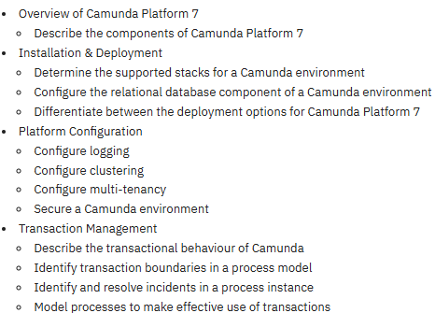
Day 3 | Camunda 8 - Overview | 1 hr | 2025-01-15 | 2025-01-15 | Closed
 | Camunda 8 - Starter Plan | 1 hr | 2025-01-15 | 2025-01-15 | Completed - 23-01-2025
 | Camunda 8 - Console Overview | 1 hr | 2025-01-15 | 2025-01-15 | Completed - 23-01-2025
 | Camunda 8 - Cluster Management | 1 hr | 2025-01-15 | 2025-01-15 | Completed - 23-01-2025
 | Camunda 8 - Technical Overview | 1 hr | 2025-01-15 | 2025-01-15 | Completed - 24-01-2025
 | Camunda 8 - SelfManaged
 | Setup | 3 hrs | 2025-01-16 | 2025-01-16 |  | * Should have handson * Havent started yet as Ananth is waiting for the ADMIN rights * <24-01-2025> Admin rights granted.
 | Overview |  |  |  | Completed - 27-01-2025
 | Install |  |  |  | Completed - 27-01-2025
 | Deploy |  |  |  | Completed - 27-01-2025 | * Completed Camunda cluster setup in Kubernetes
 | Local |  |  |  | Completed - 27-01-2025 | In-progress
 | AWS - EKS
 | AZURE - AKS
 | GCP - GKE
Day 4 | Concepts | 2 hrs | 2025-01-16 | 2025-01-16 | Open
 | Access Control
 | Exporters
 | Multi-tenancy
 | Components | 3 hrs | 2025-01-16 | 2025-01-16 |  | * Should have handson
 | Console |  |  |  | Completed - 23-01-2025
 | Zeebe |  |  |  | Completed - 23-01-2025
 | Operate |  |  |  | Completed - 23-01-2025
 | Tasklist |  |  |  | Completed - 23-01-2025
 | Optimize |  |  |  | Completed - 23-01-2025
 | Identity |  |  |  | Completed - 23-01-2025
 | Modeler |  |  |  | Completed - 23-01-2025
 | Camunda 8 - SaaS | 1 hr | 2025-01-17 | 2025-01-17
 | Saas - Dashboard
 | Organization Management
 | SaaS - Tasklist
 | Saas - Operate
 | SaaS - Modeler
 | Different Clusters

Day 5 | Assessment | 1 hr | 2025-01-19 | 2025-01-19 | Open | Comments
 | Assessment 1 |  |  |  |  | Renuka will do the Assessment

Day 6 |  |  |  |  | Open | Less Priority as of now
 | Camunda 7 - Platform for DevOps - Advanced | 8 hrs |  |  |  | 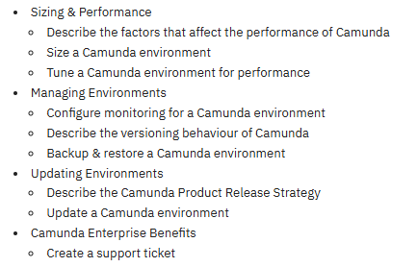
 | Discussion | 2 hrs

